Findings
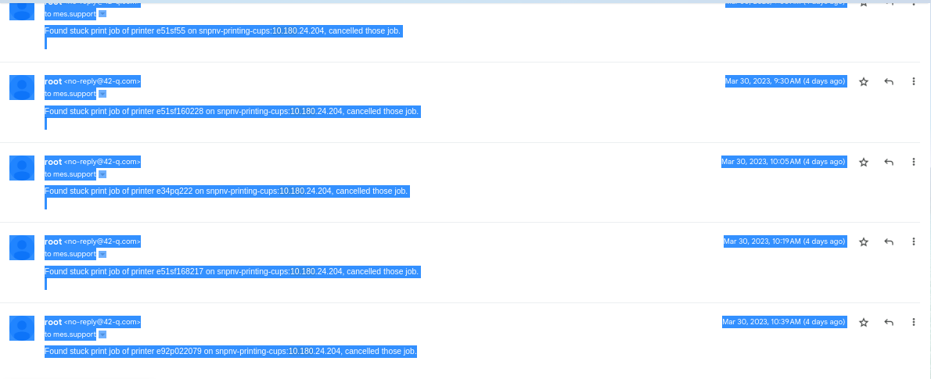
HA instance spikes
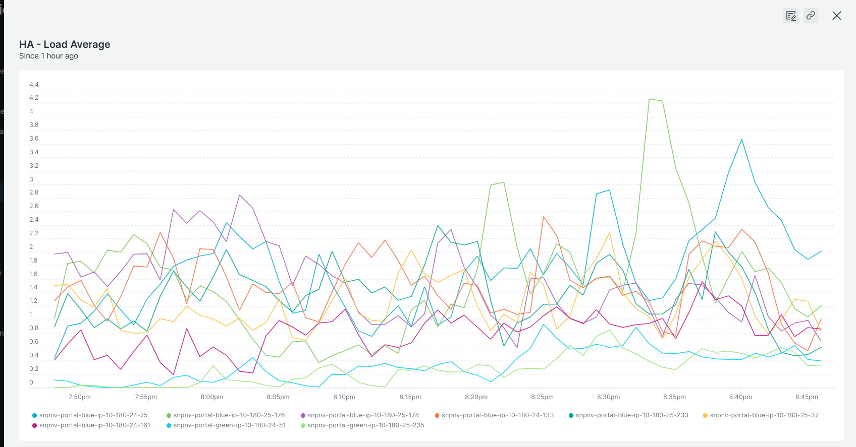

PWB slowness reported
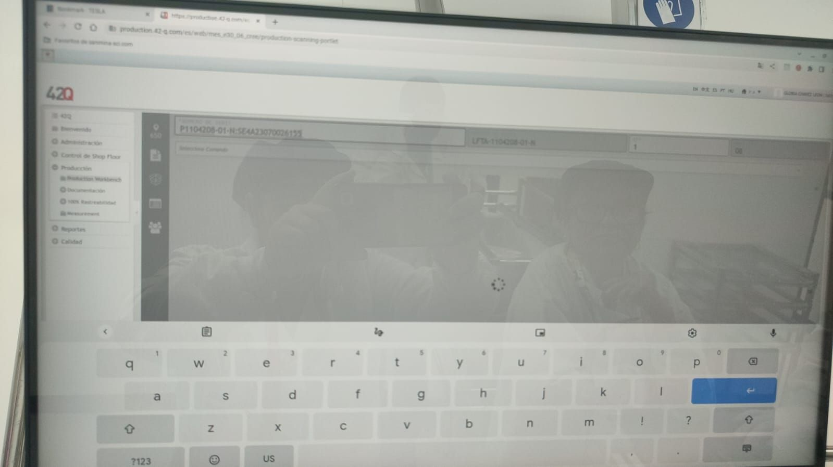

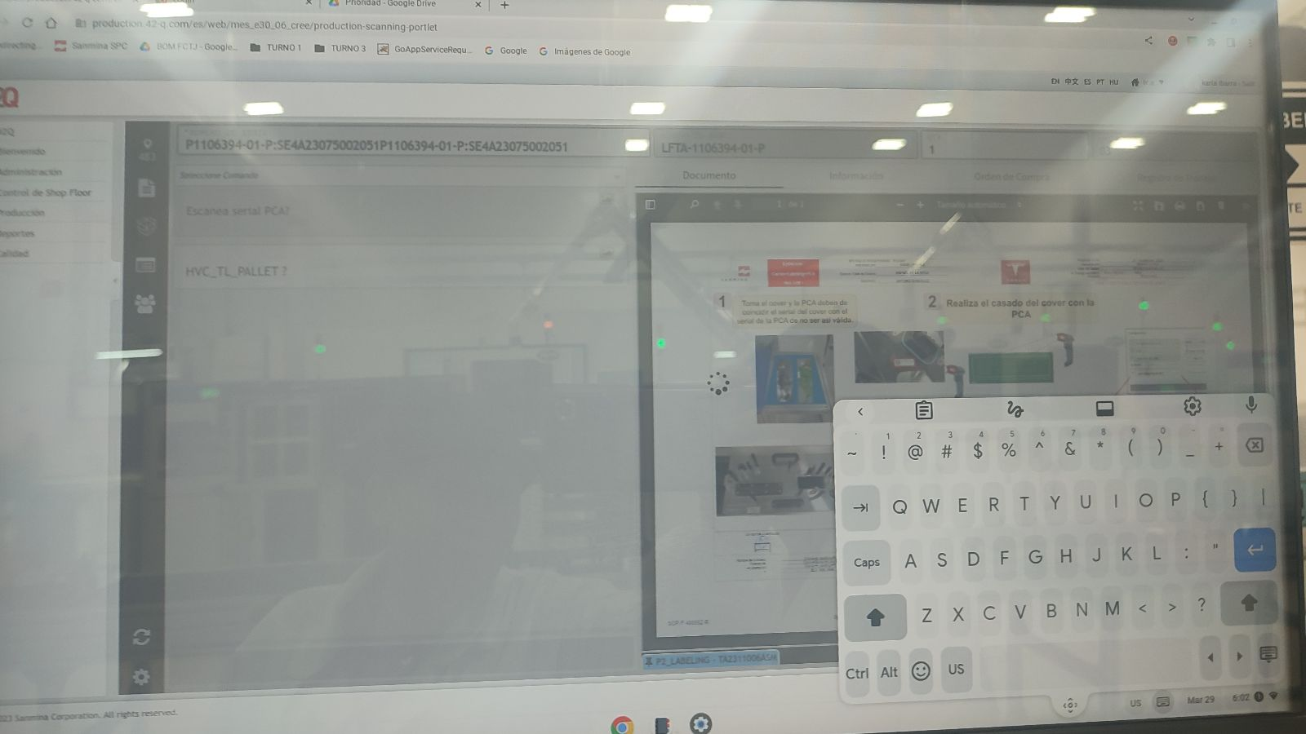

API performance

Mar 30th - HA performance

HA API performance
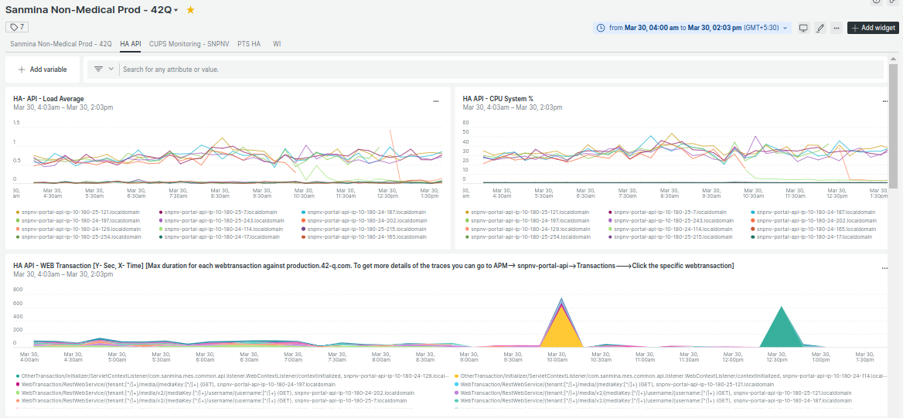

HA print server jobs per every 30sec

HA print server performance

Email alerts for the stuck PQ jobs

